Sheet1


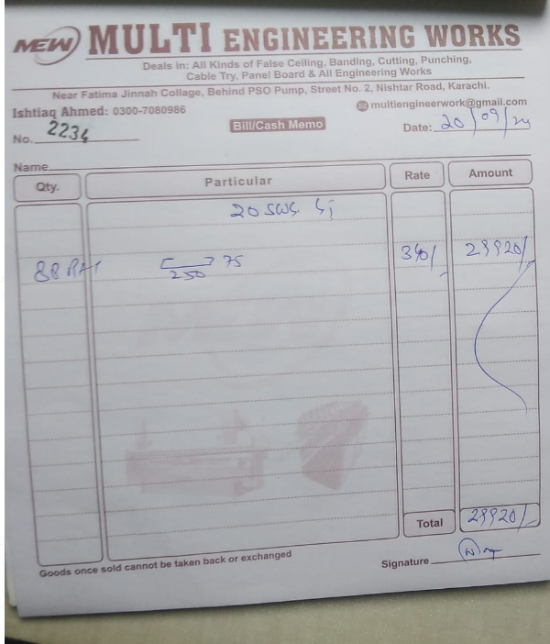

M/S IK Associates |  |  |  |  |  |  |  | 2024-09-20

Project: Rehmat Shipping Karachi

Attn: Mr. Taha Ghaznavi

Variation order No 1
Variation order for Cable tray

S. # | Description | Material Rate | Labour Rate | Over Head profit 28% | Total Rates | Unit | Qty | Amount
1 | Providing and installation of cable tray 10" x 4" | 340 | 200 | 151 | 691 | Rft | 90 | 62,208
2 | Hangers and supports with ralated fittings such as elbow, tee including fabricarion and welding work. | 50,000 | 10,000 | 16,800 | 76,800 | Job | 1 | 76,800
Total Amount Rs. |  |  |  |  |  |  |  | 139,008

Note: Vendor quotation attached

Thanking you,

For PIONEER ENGINEERING SERVICES.

Bilal Habib

